SLR-1
List | RegPlot (ŷ) | Residual Check | MSE | R-square | Plots
PetalWidth x PetalLength | ŷ = 1.0836 (2.2299)*x | mean=-0.0000, std=0.4766 | 0.22563168778 | 0.92710983899 | 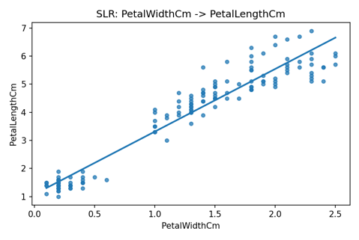
SepalLength x PetalLength | ŷ = -7.1014 (1.8584)*x | mean=0.0000, std=0.8649 | 0.74306103413 | 0.75995464577 | 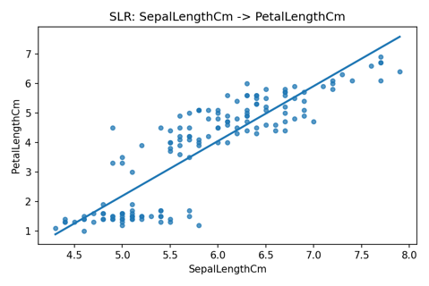
SepalWidth x PetalLength | ŷ = 9.0632 (-1.7352)*x | mean=-0.0000, std=1.5951 | 2.52728934 | 0.183560923 | 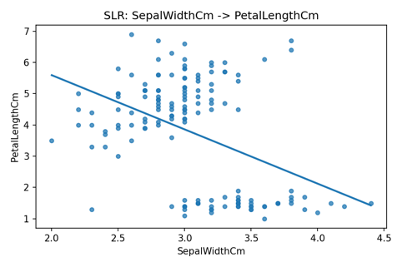
PetalLength x PetalWidth | ŷ = -0.3631 (0.4158)*x | mean=-0.0000, std=0.2058 | 0.042067309195 | 0.92710983899 | 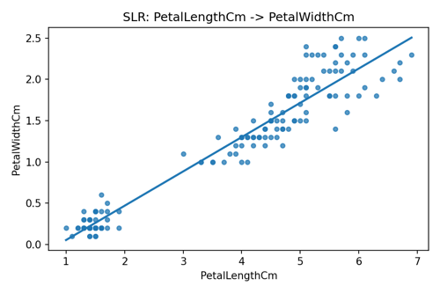
SepalLength x PetalWidth | ŷ = -3.2002 (0.7529)*x | mean=0.0000, std=0.4385 | 0.19101500769 | 0.66902768605 | 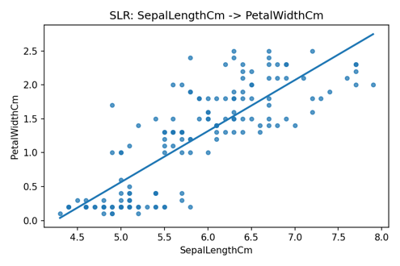
SepalWidth x PetalWidth | ŷ = 3.1569 (-0.6403)*x | mean=-0.0000, std=0.7093 | 0.49976926485 | 0.13404819848 | 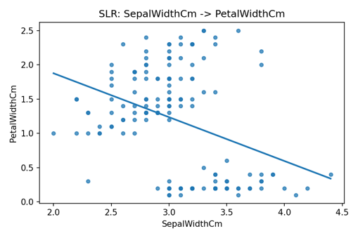
PetalLength x SepalLength | ŷ = 4.3066 (0.4089)*x | mean=-0.0000, std=0.4057 | 0.16350022511 | 0.75995464577 | 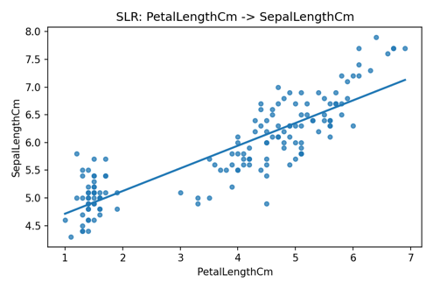
PetalWidth x SepalLength | ŷ = 4.7776 (0.8886)*x | mean=-0.0000, std=0.4764 | 0.22543259797 | 0.66902768605 | 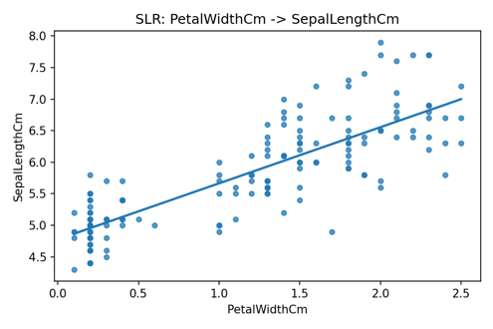
SepalWidth x SepalLength | ŷ = 6.5262 (-0.2234)*x | mean=-0.0000, std=0.8223 | 0.67170730532 | 0.013822654141 | 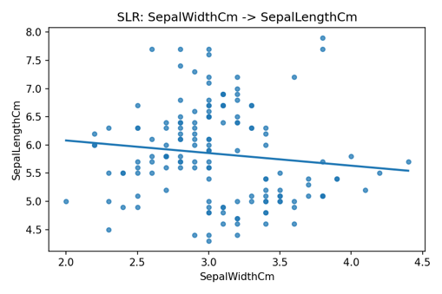
PetalLength x SepalWidth | ŷ = 3.4549 (-0.1058)*x | mean=-0.0000, std=0.3938 | 0.15407257682 | 0.183560923 | 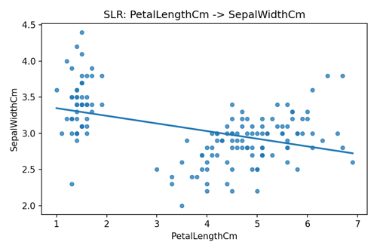
PetalWidth x SepalWidth | ŷ = 3.3084 (-0.2094)*x | mean=-0.0000, std=0.4056 | 0.1634162661 | 0.13404819848 | 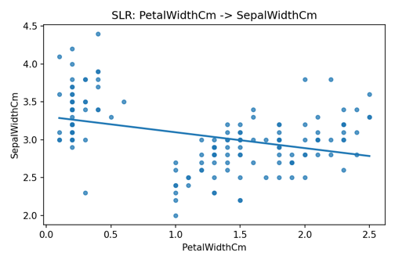
SepalLength x SepalWidth | ŷ = 3.4189 (-0.0619)*x | mean=-0.0000, std=0.4328 | 0.18610437589 | 0.013822654141 | 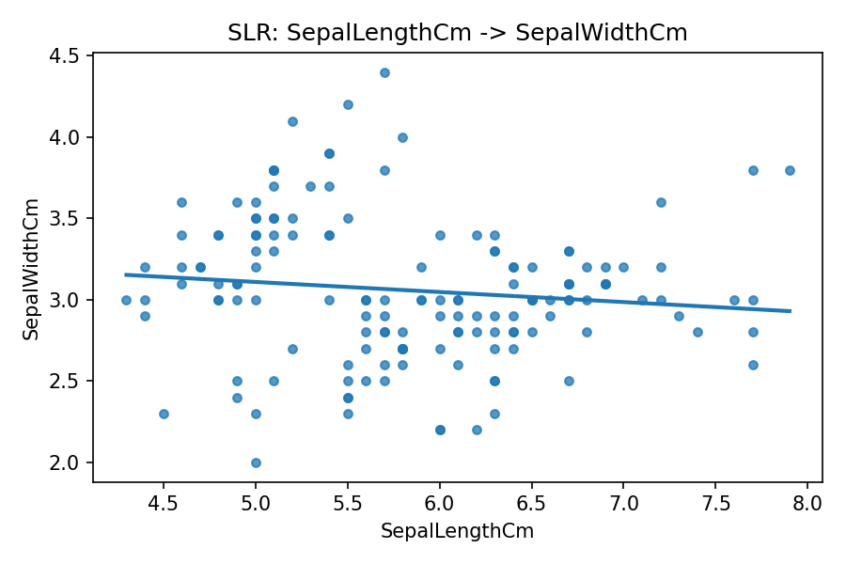

MLR-1
Target (Y) | Predictors (X) | Equation (ŷ) | MSE | R-square | Plots
PetalLengthCm | SepalLengthCm, SepalWidthCm, PetalWidthCm | ŷ = -0.2627 (0.7291)*SepalLengthCm (-0.6460)*SepalWidthCm (1.4468)*PetalWidthCm | 0.099019653151 | 0.96801176939 | 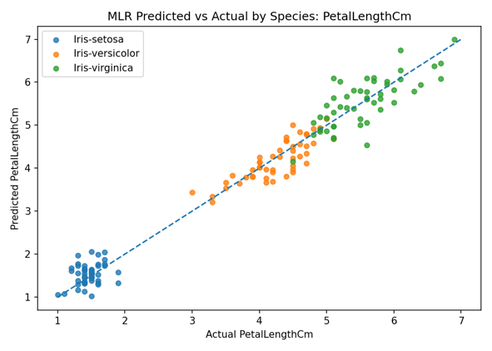
PetalWidthCm | SepalLengthCm, SepalWidthCm, PetalLengthCm | ŷ = -0.2403 (-0.2073)*SepalLengthCm (0.2228)*SepalWidthCm (0.5241)*PetalLengthCm | 0.035868651138 | 0.9378502736 | 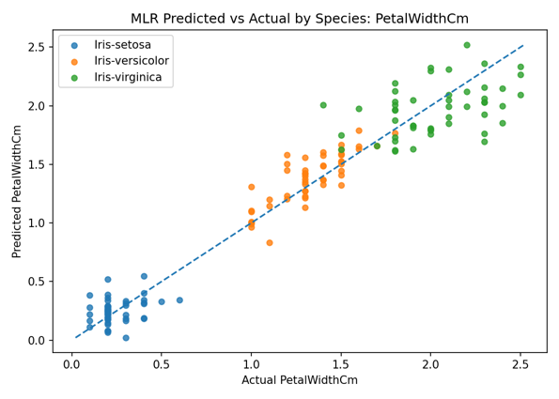
SepalLengthCm | SepalWidthCm, PetalLengthCm, PetalWidthCm | ŷ = 1.8560 (0.6508)*SepalWidthCm (0.7091)*PetalLengthCm (-0.5565)*PetalWidthCm | 0.096302699425 | 0.85861172007 | 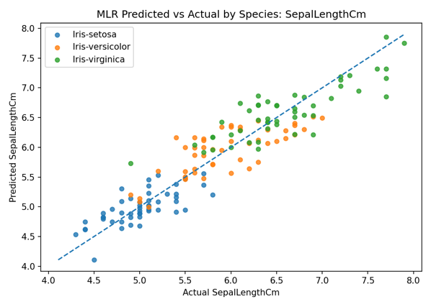
SepalWidthCm | SepalLengthCm, PetalLengthCm, PetalWidthCm | ŷ = 1.0431 (0.6071)*SepalLengthCm (-0.5860)*PetalLengthCm (0.5580)*PetalWidthCm | 0.089825995102 | 0.52400710078 | 